R2 Guidelines
R2 - Deliverables and Guidelines
Note, file names for all documents should be enumerated following the below list of deliverables. Examples: 5. R2_Use Case Diagram_Team 2; 8. R2_Supplementary Requirements_Team 2
No | Deliverables | Owner Role | Comments
1 | R2: Road Map (I3, I4) | Project Manager | 1. Follow the Road Map template in Classes. The RoadMap is produced in Excel document. 2. The Road Map includes the entire product backlog (list of core features) allocated to R2 iterations. In R1 core features are user stories, in R2 core features are use cases. 3. All core features in the backlog should match the RCT core feature titles and ID. 4. Each use case, allocated to an iteration, should have a number (story points) representing the effort to implement the use case. 5. For each iteration, include the Velocity number (SUM of story points). Make sure the Velocity numbers for I3 and I4 are comparable.
1a | R2: Jira RoadMap, Kanban Board (Tabs in Excel RoadMap) | Jira Admin | After you configured in Jira your RoadMap and Kanban Board, copy the images into separate tabs in the RoadMap Excel.
N/A | Jenkins Progress Report | Jenkins Admin | The report purpose is to communicate to the project team the plan for Jenkins adoption in a given iteration and capture the actual progress at the iteration end. Use a report Word template from Classes/Supplementary Documents module.
2 | R2: RCT - Planning I3, I4 | Lead BA | 1. For R1 and R2, RCT is used as a planning document. 2. Using the original RCT, identify those core features that you allocated in Road Map to R2 (I3 and I4); mark the RCT cells for those features with I3 and I4 for the iterations 3 and 4 respectively. Also, mark only those crosscuts that the team plans to implement for R2. 3. Consistency check - verify that the information in the Road Map and RCT is consistent.
3 | R2: Actors (Tab in RCT) | Product Owner | 1. Actors are specified in the form of a traceability table that is a separate tab in the RCT document. 2. Each Actor role can be traced to multiple features (use cases); the list of features should match the product backlog in the RCT. 3. This ET table will be used for specifying R2 use cases.
4 | R2: List of Tasks (using RCT) | Project Manager | 1. At the iteration planning meeting, Identify tasks for all user stories in the scope of a given iteration. Then use it to track iteration progress and provide input to the Burndown chart. 2. List of Tasks is a planning document that, for each user story, includes a list of DEVELOPMENT and TESTING tasks, task owners and Start/End dates. 3. Tasks should cover some crosscuts, i.e., those crosscuts you plan to implement for a given user story (refer to the RCT planning). 4. To identify tasks for a user story, check the RCT and see which crosscuts you included in the iteration scope and plan to implement. Each crosscut should have at least one task. 5. See Slide 33 (Lecture W4) as a reference, also examples on the Course page in LMS/Classes.
5 | R2: Use-Case Diagram | Lead BA | 1. Produce two use case diagrams - one for I3 and another one for I4. 2. Each use case diagram shows a group of related use cases and their actors that are in the scope of Iteration 3 and Iteration 4, use the UML Actor symbol to represent actors. 3. The Actors relation to Use Cases should match the ET table in the RCT. 4. Include diagrams in a Power Point document, where each slide has a title.
6 | R2: UML Diagrams (Class, Sequence) | Lead Developer | 1. UML diagrams are produced for a specific use case that the team included in the scope of a given iteration. 2. Diagrams are delivered in a Power Point document, where each slide has a title, indicating which use case the diagram represents. 3. Sequence diagrams begin with the Actor, use the UML Actor symbol to represent actors. 4. Before you work on the Sequence diagram, copy-paste the related use case scenario in the same slide, this way you could better see if the diagram flow sufficiently represents the related scenario. 5. Start with the Class diagram, then proceed to the Sequence diagram. Note, both diagrams should be checked for consistency, see the Guidelines chart on the right. | UML Actor Symbol | 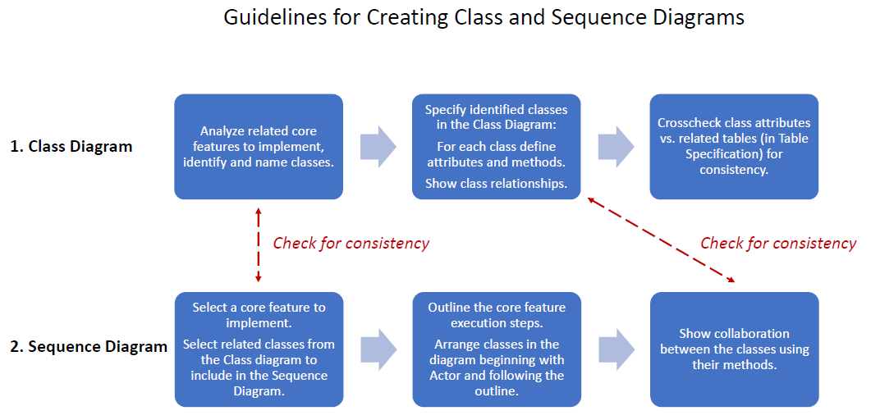
7 | R2: Use-Case Specifications (with join points) | Lead BA | General requirement - allocate development of use case specs among ALL team members, i.e., each team member should produce at least one UC specification for R2 release. Add a Student Name to the UC title (Name). Preparation: review W3, W4 lecture materials and UC examples. 1. Follow the use case template available on Supplementary Doc module. 2. Actors should match the User Roles in the ET traceability table in the RCT. 3. Before you start writing a use case specification, review the guidelines in Lecture W3 (slides 42, 52). 4. The Use Case specification documents should include all use cases - in scope of I3 and I4. Produce separate Word documents for I3 and I4. 5. Copy a related user story as Use Case Short Description in the UC specification template. 6. In a given use case specification, the Use Case scenario should include Join Points for all applicable to this use case crosscuts (refer to the RCT).
8 | R2: Supplementary Requirements | Lead BA | 1. Capture Supplementary Requirements in a Word document. 2. Before you start writing the Supplementary Requirements, review the lecture notes - W4, where Slide 48 shows the 3-part template for crosscut specifications: - scope - requirement - condition to apply 3. To decide which supplementary requirements to capture, review the RCT Planning document and check what you marked for implementation, also review the test design document and decide which crosscuts will be in scope of the test design. Then the supplementary requirements should be used as a test basis. 4. Note - do not include Entitlements in this document, you already specified this requirement in the ET tab in the RCT. 5. If you want to specify DF-In or DF-Out crosscuts, include a Dataflow diagram illustrating this requirement.
9 | R2: ER Diagrams (conceptual, logical) | DBA | 1. Conceptual database diagram includes the related business entities; its scope includes the entire data model; it is used for discussions with business stakeholders. 2. Logical ERD diagram includes data tables, and table fields. For each table we mark fields that are either primary or foreign keys. The scope of the Logical ERD reflects the scope of R2 implementation. 3. Include diagrams in a Power Point document, where each slide should have a title.
10 | R2: Source Code sample + Git repository slides (images) | Lead Developer | Capture the Git repository info in a PP doc (slides): - login info (first slide) and repository structure (other slides) - sample of your source code representing the feature that will be the focus of your project presentation. - slide with a build/deployment procedure - slide with the AWS EC2 nodes (DEV/QA)
10b | R2: Jenkins Progress Report | Jenkins Admin | The report purpose is to communicate to the project team the plan for Jenkins adoption in a given iteration and capture the actual progress at the iteration end. Use a report Word template from Classes/Supplementary Materials module.
11 | R2: Functional Tests (I3, I4) | Lead QA | 1. Follow the template and guidelines on the course portal. 2. Each test document is produced for ONE core feature that is highlighted in the first tab RCT. 3. The test design tab identified the list of test cases, where the Core Feature and GUI tests are required. 4. In addition, you identify some crosscuts for this test design and mark the related cells in the RCT (first tab). When you design test cases for crosscuts, first please read a crosscut description in the original RCT. 5. To produce test case specifications for crosscuts, you need to produce a Supplementary Requirements document first that will provide the basis for test design. 6. Field Validation (FV) testing focuses ONE data entry field at a time. 7. To test Data Dependency (DDV), you need to produce a decision table, which will be the basis for test design.
12 | R2: Test Execution Log (I3, I4) | Lead QA | 1. Test execution log includes ALL test cases you identified in the Test Design tab. 2. For each test case, you capture the execution status, execution date and tester's name.
13a | R2: Jenkins Demo (recorded) | Jenkins Admin | Record a demo of the Jenkins tool illustrating what Jenkins features have been implemented and how the tool works.
13b | R2: Jenkins Progress Report (I3, I4) | Jenkins Admin | The report purpose is to communicate to the project team the plan for Jenkins adoption in a given iteration and capture the actual progress at the iteration end. Use a report Word template from Classes/Supplementary Documents module.
14 | R2: Class Presentation in PowerPoint | Project Manager | 1. All documents presented in class should be included in the PowerPoint document. 2. Each slide includes the image of one document; the title of the slide includes the document name and the student's name, who will present this document. 3. This PowerPoint document is included in the set of final R2 deliverables.
15 | R2: Recorded Demo, class presentation | All | 1. For the recorded Demo, make sure the file is small enough to be attached to email for submission. 2. For the class presentation, the team needs to rehearse the presentation flow, decide who is presenting which document. 3. For the presentation flow, the team identifies one core feature (use case) and presents and discusses the documents related to this core feature.

R2 Detailed Schedule
 |  |  |  |  | RAG Status
Week | Class Date | CS692 Topics | Owner Role | Project Deliverables | T1 | T2 | T3 | T4 | T5
10 | 2023-11-10 | Configuration and Release Management | Project Manager | R2: Road Map (includes I3, I4 iterations)
 |  |  | Jira Admin | Jira: Update Kanban Board
 |  |  | Jenkins Admin | Jenkins Progress Report (I3 plan)
 |  |  | Lead BA | R2: Updated RCT (planning I3, I4 iterations)
 |  |  | Product Owner | R2: Actors (Entitlements specification, Tab in RCT)
 |  |  | Project Manager | R2: List of Tasks for I3 (using RCT) - updated progress
 |  |  | Lead BA | R2: I3: Use-Case Diagrams
 |  |  | ALL Team Members | R2: I3: Use-Case Specifications
 |  |  | Lead BA | R2: I3: Supplementary Requirements
 |  |  | Lead Developer | R2: I3: UML Diagrams (Class, Sequence)
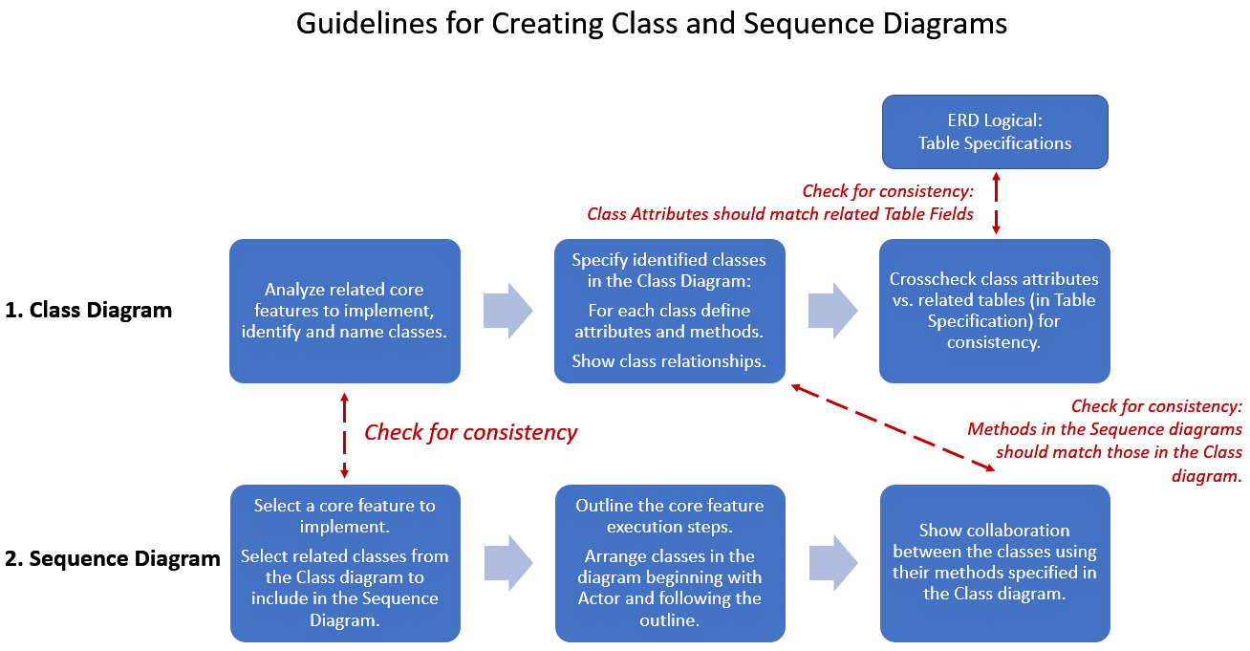
 |  |  | DBA | R2: I3: ER Diagrams (conceptual, logical)
11 | 2023-11-17 | RUP: Workshop 2 | Lead Developer | R2: I3: Git repository info in PP Slides
 | End of I3 |  | Product Owner | R2: Road Map (includes I3, I4 iterations)
 |  |  | Jira Admin | Jira: Complete Sprint 3
 |  |  | Jenkins Admin | R2: I3: Complete Jenkins Progress Report (I3 progress)
 |  |  | Lead BA | R2: I3: Use-Case Diagrams
 |  |  | All | R2: I3: Use-Case Specifications
 |  |  | Lead QA | R2: I3: Functional Tests
 |  |  | Lead QA | R2: I3: Test Execution Log
 |  |  | Project Manager | R2: List of Tasks for I3 - updated progress
 |  |  | Project Manager | R2: I3: Retrospective Report
 |  |  | All | Quiz - Configuration and Release Management
 | 2023-11-24 | Thanksgiving, No Classes
12 | 2023-12-01 | Exam and R2 presentation preparations | Lead BA | R2: I4: Use-Case Diagrams
 |  |  | Jira Admin | Jira: Update Kanban Board
 |  |  | Jenkins Admin | R2: I4: Jenkins Progress Report (I4 plan)
 |  |  | Project Manager | R2: Updated RCT (planning I4 iterations)
 |  |  | Lead BA | R2: Actors (Entitlements specification, Tab in RCT)
 |  |  | Lead BA | R2: I4: Use-Case Specifications
 |  |  | Lead BA | R2: I4: Supplementary Requirements
 |  |  | Lead Developer | R2: I4: UML Diagrams (Class, Sequence)
 |  |  | DBA | R2: I4: ER Diagrams (conceptual, logical)
 |  |  | Project Manager | R2: List of Tasks for I4 (using RCT) - updated progress
13 | 2023-12-08 | Final Exam
14 | 2023-12-15 | RUP: R2 - Project Presentations | Lead Developer | R2: I4: Git repository info in PP Slides (includes Deployment Procedure)
 | End of I4 |  | Lead QA | R2: I4: Functional Tests
 |  |  | Lead QA | R2: I4: Test Execution Log
 |  |  | Jira Admin | Jira: Complete Sprint 4
 |  |  | Jenkins Admin | R2: I4: Complete Jenkins Progress Report (I4 progress)
 |  |  | Project Manager | R2: List of Tasks for I4 - updated progress
 |  |  | Project Manager | R2: I4: Retrospective Report
 |  |  | Project Manager | R2: Send Deliverables based on R2 Checklist to Instructor

